Question 1
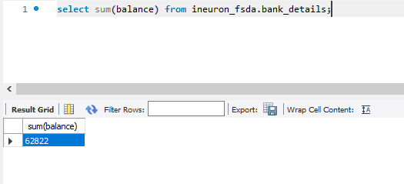
Query: | select sum(balance) from ineuron_fsda.bank_details;

Output: | 62822

Question 2
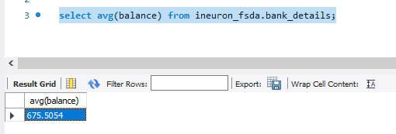
Query: | select avg(balance) from ineuron_fsda.bank_details;

Output: | 675.5054

Question 5
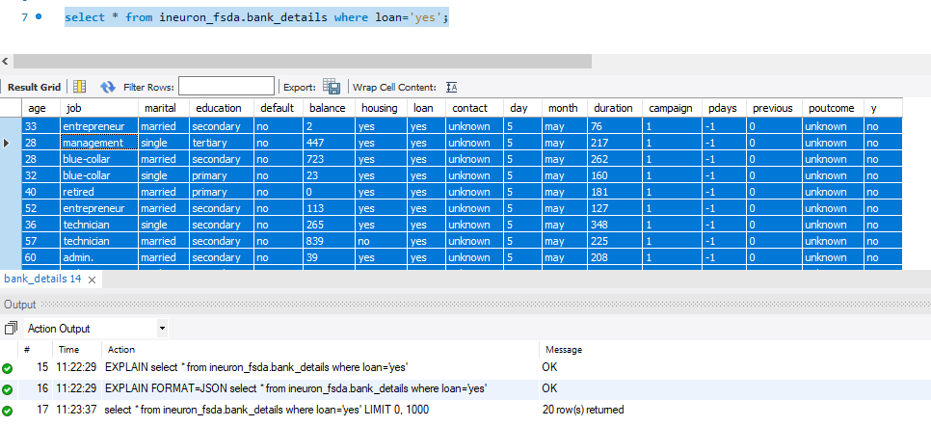
Query: | select * from ineuron_fsda.bank_details where loan='yes';

Output: |  | age | job | marital | education | default | balance | housing | loan | contact | day | month | duration | campaign | pdays | previous | poutcome | y
 |  | 33 | entrepreneur | married | secondary | no | 2 | yes | yes | unknown | 5 | may | 76 | 1 | -1 | 0 | unknown | no
 |  | 28 | management | single | tertiary | no | 447 | yes | yes | unknown | 5 | may | 217 | 1 | -1 | 0 | unknown | no
 |  | 28 | blue-collar | married | secondary | no | 723 | yes | yes | unknown | 5 | may | 262 | 1 | -1 | 0 | unknown | no
 |  | 32 | blue-collar | single | primary | no | 23 | yes | yes | unknown | 5 | may | 160 | 1 | -1 | 0 | unknown | no
 |  | 40 | retired | married | primary | no | 0 | yes | yes | unknown | 5 | may | 181 | 1 | -1 | 0 | unknown | no
 |  | 52 | entrepreneur | married | secondary | no | 113 | yes | yes | unknown | 5 | may | 127 | 1 | -1 | 0 | unknown | no
 |  | 36 | technician | single | secondary | no | 265 | yes | yes | unknown | 5 | may | 348 | 1 | -1 | 0 | unknown | no
 |  | 57 | technician | married | secondary | no | 839 | no | yes | unknown | 5 | may | 225 | 1 | -1 | 0 | unknown | no
 |  | 60 | admin. | married | secondary | no | 39 | yes | yes | unknown | 5 | may | 208 | 1 | -1 | 0 | unknown | no
 |  | 24 | technician | single | secondary | no | -103 | yes | yes | unknown | 5 | may | 145 | 1 | -1 | 0 | unknown | no
 |  | 38 | entrepreneur | single | tertiary | no | 243 | no | yes | unknown | 5 | may | 174 | 1 | -1 | 0 | unknown | no
 |  | 35 | blue-collar | single | secondary | no | 12223 | yes | yes | unknown | 5 | may | 177 | 1 | -1 | 0 | unknown | no
 |  | 57 | blue-collar | married | secondary | no | 5935 | yes | yes | unknown | 5 | may | 258 | 1 | -1 | 0 | unknown | no
 |  | 31 | services | married | secondary | no | 25 | yes | yes | unknown | 5 | may | 172 | 1 | -1 | 0 | unknown | no
 |  | 54 | management | married | secondary | no | 282 | yes | yes | unknown | 5 | may | 154 | 1 | -1 | 0 | unknown | no
 |  | 44 | blue-collar | married | secondary | no | 582 | no | yes | unknown | 5 | may | 211 | 1 | -1 | 0 | unknown | no
 |  | 49 | services | divorced | secondary | no | 0 | yes | yes | unknown | 5 | may | 272 | 1 | -1 | 0 | unknown | no
 |  | 46 | self-employed | married | tertiary | no | 137 | yes | yes | unknown | 5 | may | 246 | 1 | -1 | 0 | unknown | no
 |  | 46 | management | divorced | secondary | no | 16 | yes | yes | unknown | 5 | may | 188 | 2 | -1 | 0 | unknown | no
 |  | 30 | technician | married | secondary | no | 152 | yes | yes | unknown | 5 | may | 213 | 2 | -1 | 0 | unknown | no

Question 10
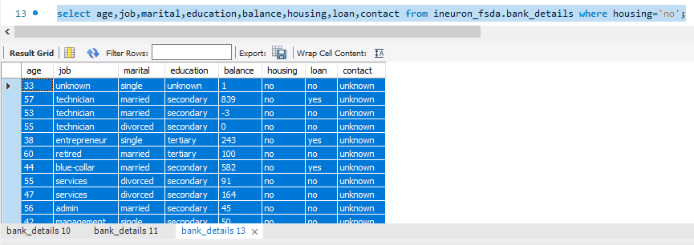
Query for all fields of the records: | select * from ineuron_fsda.bank_details where housing='no';

Output: | age | job | marital | education | default | balance | housing | loan | contact | day | month | duration | campaign | pdays | previous | poutcome | y
 | 33 | unknown | single | unknown | no | 1 | no | no | unknown | 5 | may | 198 | 1 | -1 | 0 | unknown | no
 | 57 | technician | married | secondary | no | 839 | no | yes | unknown | 5 | may | 225 | 1 | -1 | 0 | unknown | no
 | 53 | technician | married | secondary | no | -3 | no | no | unknown | 5 | may | 1666 | 1 | -1 | 0 | unknown | no
 | 55 | technician | divorced | secondary | no | 0 | no | no | unknown | 5 | may | 160 | 1 | -1 | 0 | unknown | no
 | 38 | entrepreneur | single | tertiary | no | 243 | no | yes | unknown | 5 | may | 174 | 1 | -1 | 0 | unknown | no
 | 60 | retired | married | tertiary | no | 100 | no | no | unknown | 5 | may | 528 | 1 | -1 | 0 | unknown | no
 | 44 | blue-collar | married | secondary | no | 582 | no | yes | unknown | 5 | may | 211 | 1 | -1 | 0 | unknown | no
 | 55 | services | divorced | secondary | no | 91 | no | no | unknown | 5 | may | 349 | 1 | -1 | 0 | unknown | no
 | 47 | services | divorced | secondary | no | 164 | no | no | unknown | 5 | may | 212 | 1 | -1 | 0 | unknown | no
 | 56 | admin | married | secondary | no | 45 | no | no | unknown | 5 | may | 1467 | 1 | -1 | 0 | unknown | yes
 | 42 | management | single | secondary | no | 50 | no | no | unknown | 5 | may | 48 | 1 | -1 | 0 | unknown | no

Query for meaningful columns of the records: |  | select age,job,marital,education,balance,housing,loan,contact from ineuron_fsda.bank_details where housing='no';

Output: |  | age | job | marital | education | balance | housing | loan | contact
 |  | 33 | unknown | single | unknown | 1 | no | no | unknown
 |  | 57 | technician | married | secondary | 839 | no | yes | unknown
 |  | 53 | technician | married | secondary | -3 | no | no | unknown
 |  | 55 | technician | divorced | secondary | 0 | no | no | unknown
 |  | 38 | entrepreneur | single | tertiary | 243 | no | yes | unknown
 |  | 60 | retired | married | tertiary | 100 | no | no | unknown
 |  | 44 | blue-collar | married | secondary | 582 | no | yes | unknown
 |  | 55 | services | divorced | secondary | 91 | no | no | unknown
 |  | 47 | services | divorced | secondary | 164 | no | no | unknown
 |  | 56 | admin | married | secondary | 45 | no | no | unknown
 |  | 42 | management | single | secondary | 50 | no | no | unknown

